Home
Index for Risk Management (INFORM) - SAHEL
(release: 15 Oct 2021 v 1.0.0)

(table of contents)
CONCEPT AND METHODOLOGY
The regional INFORM Sahel model was initiated by Emergency Response and Preparedness Group of regional Inter-Agency Standing Committee (IASC) and is managed by OCHA. The INFORM model is being used to support the Humanitarian Programme Cycle and coordinated preparedness actions. Partners hope to use the model to improve cooperation between humanitarian and development actors in managing risk and building resilience across the region.

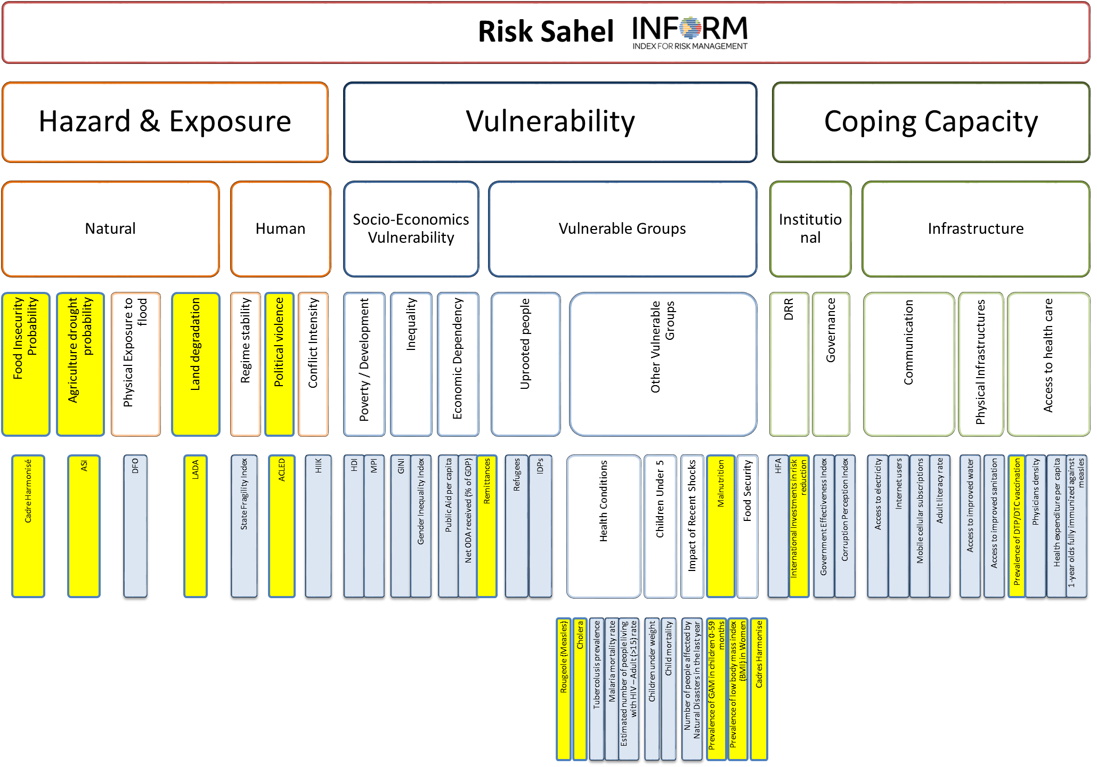
Disclaimer The depiction and use of geographic names and related data included in lists, tables on this spreadsheet are not warranted to be error free nor do they necessarily imply official endorsement or acceptance by the United Nations.
For further information:
https://drmkc.jrc.ec.europa.eu/inform-index/INFORM-Subnational-Risk/Sahel/

Previous Releases:

